Order form

 |  |  |  |  |  |  | (864) 770-3133 or (864) 775-2206 500 East McBee Ave #1122 Greenville, SC 29601 email: ehogan@legacydreams.net

Your Information

Name: |  |  |  |  |  |  |  | Email:
Phone Number:

Apparel
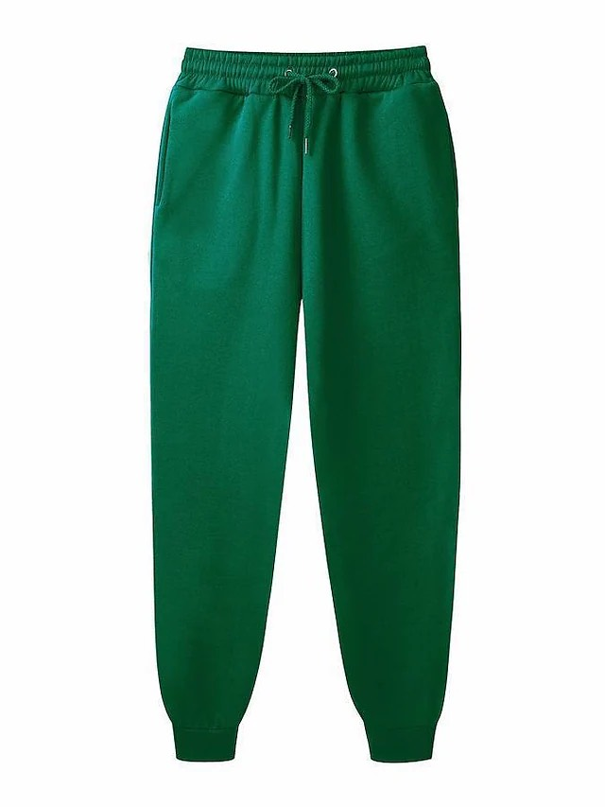
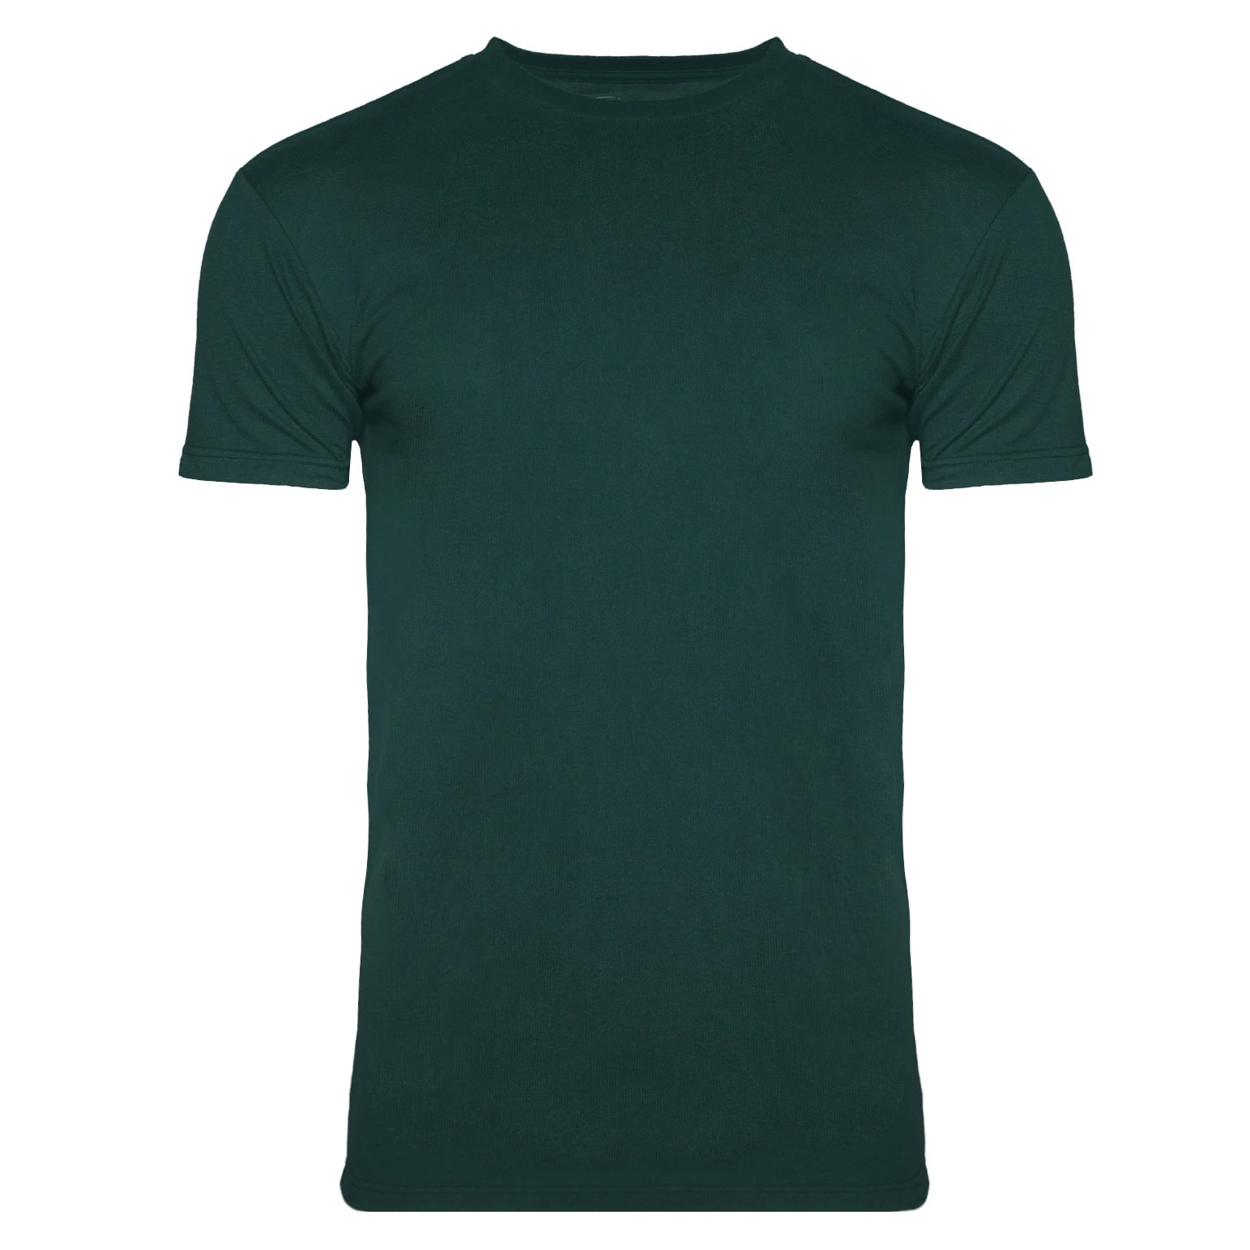
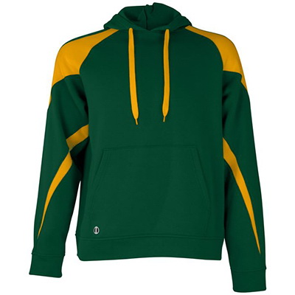

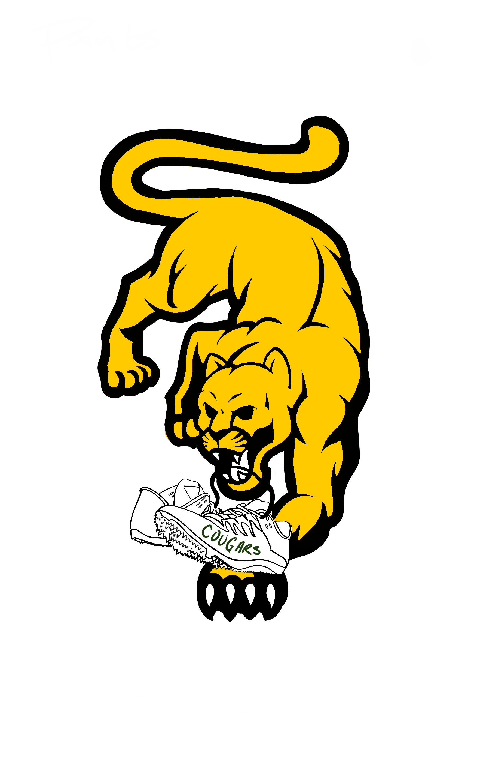

Sweatpants $40 |  |  |  |  | T-Shirts $25 |  |  |  | Hooded Sweatshirts $45
0 | Small | Medium | Large |  | 0 | Small | Medium | Large | 0 | Small | Medium | Large | 5
Select from drop down | none | none | none |  | Select from drop down | none | none | none | Select from drop down | none | none | none

Apparel Sub Total |  |  |  | 10% |  |  | FALSE | 10% discount applied to shirt, hoodie, and pants purchase as bundle
 |  |  |  |  |  |  | FALSE | Cash
Number of Items: |  |  | 0 |  |  |  | FALSE | Card
Sub Total: |  | $5.00
Total w/discount: |  | $-

